CHAI CHITAI (Tea Leaf,etc)
DATE | INV NO. | DESCRIPTIONS | QTY | BILLS | PRICE | SUBTOTAL | TOTAL | DISCOUNT | TAX | TOTAL
16-Feb-2026 | #1 | MILK OOLONG | 2 | 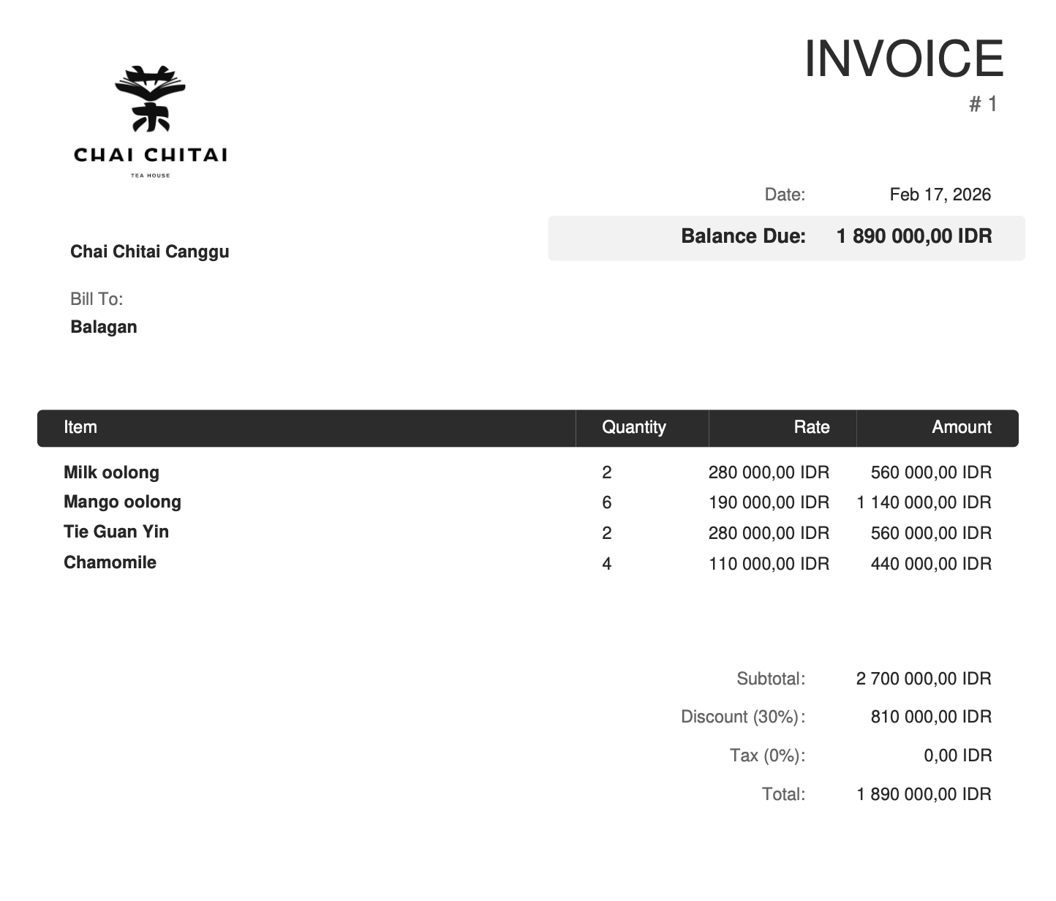 | Rp280,000.00 | Rp560,000.00 | Rp2,700,000.00 | Rp810,000.00 | Rp0.00 | Rp1,890,000.00
 |  | MANGO OOLONG | 6 |  | Rp190,000.00 | Rp1,140,000.00
 |  | TIE GUAN YIN | 2 |  | Rp280,000.00 | Rp560,000.00
 |  | CHAMOMILE | 4 |  | Rp110,000.00 | Rp440,000.00

27-Feb-2026 | #2 | RED GABA | 4 | 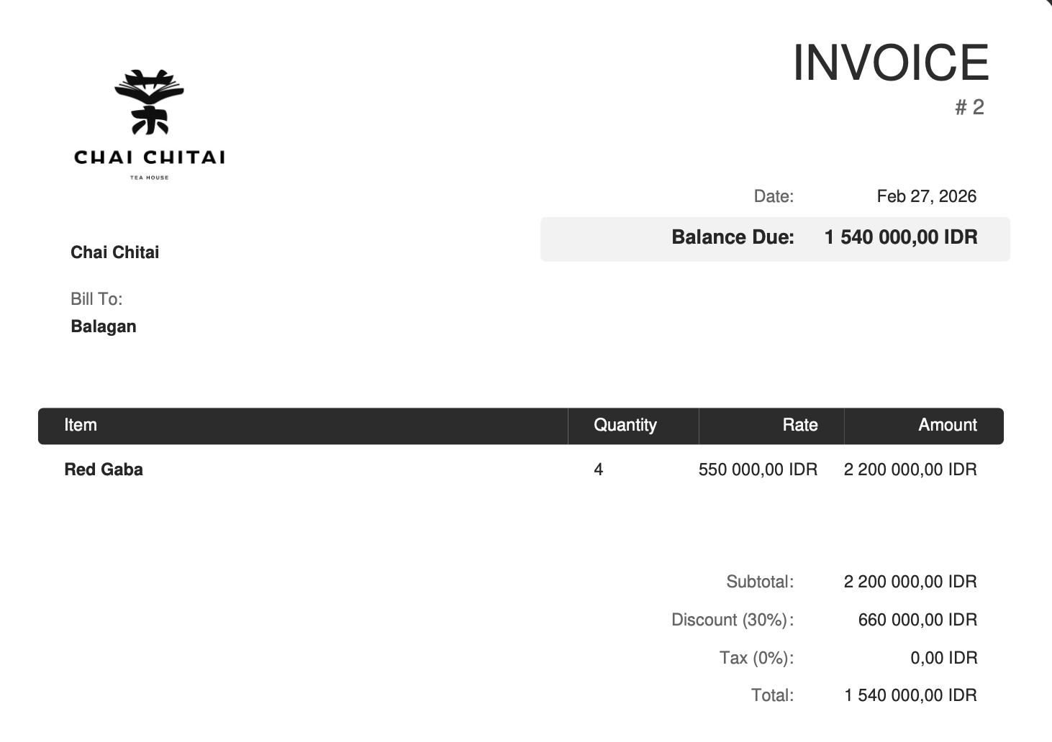 | Rp550,000.00 | Rp2,200,000.00 | Rp2,200,000.00 | Rp660,000.00 | Rp0.00 | Rp1,540,000.00

GRAND TOTAL |  |  |  | IDR 3,430,000

